Sheet1
S.No | Name | Emp Id | Mobile No | Location | Pan | Aadhar | Vehicle Number | Photograph
1 | Gulshan | OG200003 | 8076956211 | Noida | HYVPK2790F | 673645259807 | UP16DD2146 | 
2 | Saurav | OG200601 | 8102449112 | Noida | OVPPK6787Q | 349986718301 |  | 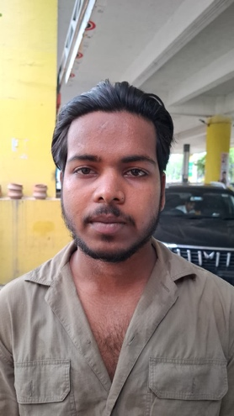
3 | Satish | OG200302 | 7078868439 | Noida | UHXPS2499D | 591588351834 |  | 
4 | Sher Singh | OG198304 | 7302932552 | Noida |  | 961429976694 |  | 